Prueba 1
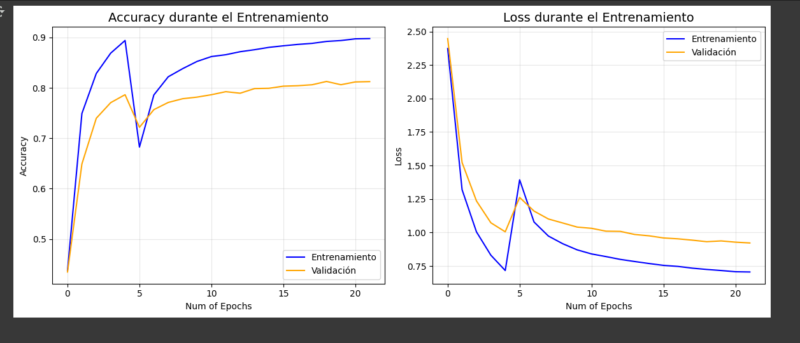
/usr/local/lib/python3.11/dist-packages/keras/src/layers/convolutional/base_conv.py:107: UserWarning: Do not pass an `input_shape`/`input_dim` argument to a layer. When using Sequential models, prefer using an `Input(shape)` object as the first layer in the model instead.
super().__init__(activity_regularizer=activity_regularizer, **kwargs)
Model: "ASL_Lite_CPU"
┏━━━━━━━━━━━━━━━━━━━━━━━━━━━━━━━━━┳━━━━━━━━━━━━━━━━━━━━━━━━┳━━━━━━━━━━━━━━━┓
┃ Layer (type) ┃ Output Shape ┃ Param # ┃
┡━━━━━━━━━━━━━━━━━━━━━━━━━━━━━━━━━╇━━━━━━━━━━━━━━━━━━━━━━━━╇━━━━━━━━━━━━━━━┩
│ conv2d_6 (Conv2D) │ (None, 48, 48, 32) │ 896 │
├─────────────────────────────────┼────────────────────────┼───────────────┤
│ batch_normalization_6 │ (None, 48, 48, 32) │ 128 │
│ (BatchNormalization) │ │ │
├─────────────────────────────────┼────────────────────────┼───────────────┤
│ max_pooling2d_6 (MaxPooling2D) │ (None, 24, 24, 32) │ 0 │
├─────────────────────────────────┼────────────────────────┼───────────────┤
│ conv2d_7 (Conv2D) │ (None, 24, 24, 64) │ 18,496 │
├─────────────────────────────────┼────────────────────────┼───────────────┤
│ batch_normalization_7 │ (None, 24, 24, 64) │ 256 │
│ (BatchNormalization) │ │ │
├─────────────────────────────────┼────────────────────────┼───────────────┤
│ max_pooling2d_7 (MaxPooling2D) │ (None, 12, 12, 64) │ 0 │
├─────────────────────────────────┼────────────────────────┼───────────────┤
│ conv2d_8 (Conv2D) │ (None, 12, 12, 128) │ 73,856 │
├─────────────────────────────────┼────────────────────────┼───────────────┤
│ batch_normalization_8 │ (None, 12, 12, 128) │ 512 │
│ (BatchNormalization) │ │ │
├─────────────────────────────────┼────────────────────────┼───────────────┤
│ max_pooling2d_8 (MaxPooling2D) │ (None, 6, 6, 128) │ 0 │
├─────────────────────────────────┼────────────────────────┼───────────────┤
│ global_average_pooling2d_2 │ (None, 128) │ 0 │
│ (GlobalAveragePooling2D) │ │ │
├─────────────────────────────────┼────────────────────────┼───────────────┤
│ dropout_2 (Dropout) │ (None, 128) │ 0 │
├─────────────────────────────────┼────────────────────────┼───────────────┤
│ dense_2 (Dense) │ (None, 29) │ 3,741 │
└─────────────────────────────────┴────────────────────────┴───────────────┘
Total params: 97,885 (382.36 KB)
Trainable params: 96,477 (376.86 KB)
Non-trainable params: 1,408 (5.50 KB)
🚀 Comenzando Fase 1 - Entrenamiento con capas congeladas...
/usr/local/lib/python3.11/dist-packages/keras/src/trainers/data_adapters/py_dataset_adapter.py:121: UserWarning: Your `PyDataset` class should call `super().__init__(**kwargs)` in its constructor. `**kwargs` can include `workers`, `use_multiprocessing`, `max_queue_size`. Do not pass these arguments to `fit()`, as they will be ignored.
self._warn_if_super_not_called()
Epoch 1/5
544/544 ━━━━━━━━━━━━━━━━━━━━ 478s 874ms/step - accuracy: 0.2672 - loss: 2.9987 - val_accuracy: 0.4347 - val_loss: 2.4472
Epoch 2/5
544/544 ━━━━━━━━━━━━━━━━━━━━ 468s 861ms/step - accuracy: 0.7164 - loss: 1.4411 - val_accuracy: 0.6490 - val_loss: 1.5223
Epoch 3/5
544/544 ━━━━━━━━━━━━━━━━━━━━ 473s 869ms/step - accuracy: 0.8167 - loss: 1.0557 - val_accuracy: 0.7397 - val_loss: 1.2357
Epoch 4/5
544/544 ━━━━━━━━━━━━━━━━━━━━ 477s 876ms/step - accuracy: 0.8599 - loss: 0.8670 - val_accuracy: 0.7706 - val_loss: 1.0729
Epoch 5/5
544/544 ━━━━━━━━━━━━━━━━━━━━ 499s 918ms/step - accuracy: 0.8897 - loss: 0.7368 - val_accuracy: 0.7864 - val_loss: 1.0056
Model: "ASL_Lite_CPU"
┏━━━━━━━━━━━━━━━━━━━━━━━━━━━━━━━━━┳━━━━━━━━━━━━━━━━━━━━━━━━┳━━━━━━━━━━━━━━━┓
┃ Layer (type) ┃ Output Shape ┃ Param # ┃
┡━━━━━━━━━━━━━━━━━━━━━━━━━━━━━━━━━╇━━━━━━━━━━━━━━━━━━━━━━━━╇━━━━━━━━━━━━━━━┩
│ conv2d_6 (Conv2D) │ (None, 48, 48, 32) │ 896 │
├─────────────────────────────────┼────────────────────────┼───────────────┤
│ batch_normalization_6 │ (None, 48, 48, 32) │ 128 │
│ (BatchNormalization) │ │ │
├─────────────────────────────────┼────────────────────────┼───────────────┤
│ max_pooling2d_6 (MaxPooling2D) │ (None, 24, 24, 32) │ 0 │
├─────────────────────────────────┼────────────────────────┼───────────────┤
│ conv2d_7 (Conv2D) │ (None, 24, 24, 64) │ 18,496 │
├─────────────────────────────────┼────────────────────────┼───────────────┤
│ batch_normalization_7 │ (None, 24, 24, 64) │ 256 │
│ (BatchNormalization) │ │ │
├─────────────────────────────────┼────────────────────────┼───────────────┤
│ max_pooling2d_7 (MaxPooling2D) │ (None, 12, 12, 64) │ 0 │
├─────────────────────────────────┼────────────────────────┼───────────────┤
│ conv2d_8 (Conv2D) │ (None, 12, 12, 128) │ 73,856 │
├─────────────────────────────────┼────────────────────────┼───────────────┤
│ batch_normalization_8 │ (None, 12, 12, 128) │ 512 │
│ (BatchNormalization) │ │ │
├─────────────────────────────────┼────────────────────────┼───────────────┤
│ max_pooling2d_8 (MaxPooling2D) │ (None, 6, 6, 128) │ 0 │
├─────────────────────────────────┼────────────────────────┼───────────────┤
│ global_average_pooling2d_2 │ (None, 128) │ 0 │
│ (GlobalAveragePooling2D) │ │ │
├─────────────────────────────────┼────────────────────────┼───────────────┤
│ dropout_2 (Dropout) │ (None, 128) │ 0 │
├─────────────────────────────────┼────────────────────────┼───────────────┤
│ dense_2 (Dense) │ (None, 29) │ 3,741 │
└─────────────────────────────────┴────────────────────────┴───────────────┘
Total params: 97,885 (382.36 KB)
Trainable params: 97,437 (380.61 KB)
Non-trainable params: 448 (1.75 KB)
🔓 Comenzando Fase 2 - Ajuste fino con capas descongeladas...
Epoch 6/30
544/544 ━━━━━━━━━━━━━━━━━━━━ 668s 1s/step - accuracy: 0.6231 - loss: 1.5712 - val_accuracy: 0.7217 - val_loss: 1.2618
Epoch 7/30
544/544 ━━━━━━━━━━━━━━━━━━━━ 662s 1s/step - accuracy: 0.7744 - loss: 1.1161 - val_accuracy: 0.7567 - val_loss: 1.1602
Epoch 8/30
544/544 ━━━━━━━━━━━━━━━━━━━━ 655s 1s/step - accuracy: 0.8162 - loss: 0.9939 - val_accuracy: 0.7710 - val_loss: 1.1011
Epoch 9/30
544/544 ━━━━━━━━━━━━━━━━━━━━ 688s 1s/step - accuracy: 0.8342 - loss: 0.9317 - val_accuracy: 0.7784 - val_loss: 1.0712
Epoch 10/30
544/544 ━━━━━━━━━━━━━━━━━━━━ 658s 1s/step - accuracy: 0.8489 - loss: 0.8787 - val_accuracy: 0.7816 - val_loss: 1.0407
Epoch 11/30
544/544 ━━━━━━━━━━━━━━━━━━━━ 665s 1s/step - accuracy: 0.8597 - loss: 0.8445 - val_accuracy: 0.7863 - val_loss: 1.0315
Epoch 12/30
544/544 ━━━━━━━━━━━━━━━━━━━━ 667s 1s/step - accuracy: 0.8657 - loss: 0.8242 - val_accuracy: 0.7924 - val_loss: 1.0102
Epoch 13/30
544/544 ━━━━━━━━━━━━━━━━━━━━ 659s 1s/step - accuracy: 0.8685 - loss: 0.8076 - val_accuracy: 0.7893 - val_loss: 1.0087
Epoch 14/30
544/544 ━━━━━━━━━━━━━━━━━━━━ 668s 1s/step - accuracy: 0.8750 - loss: 0.7904 - val_accuracy: 0.7985 - val_loss: 0.9855
Epoch 15/30
544/544 ━━━━━━━━━━━━━━━━━━━━ 675s 1s/step - accuracy: 0.8799 - loss: 0.7716 - val_accuracy: 0.7991 - val_loss: 0.9755
Epoch 16/30
544/544 ━━━━━━━━━━━━━━━━━━━━ 662s 1s/step - accuracy: 0.8838 - loss: 0.7548 - val_accuracy: 0.8033 - val_loss: 0.9596
Epoch 17/30
544/544 ━━━━━━━━━━━━━━━━━━━━ 669s 1s/step - accuracy: 0.8852 - loss: 0.7486 - val_accuracy: 0.8042 - val_loss: 0.9531
Epoch 18/30
544/544 ━━━━━━━━━━━━━━━━━━━━ 670s 1s/step - accuracy: 0.8892 - loss: 0.7339 - val_accuracy: 0.8061 - val_loss: 0.9432
Epoch 19/30
544/544 ━━━━━━━━━━━━━━━━━━━━ 688s 1s/step - accuracy: 0.8916 - loss: 0.7265 - val_accuracy: 0.8126 - val_loss: 0.9317
Epoch 20/30
544/544 ━━━━━━━━━━━━━━━━━━━━ 723s 1s/step - accuracy: 0.8946 - loss: 0.7180 - val_accuracy: 0.8061 - val_loss: 0.9375
Epoch 21/30
544/544 ━━━━━━━━━━━━━━━━━━━━ 690s 1s/step - accuracy: 0.8955 - loss: 0.7099 - val_accuracy: 0.8117 - val_loss: 0.9282
Epoch 22/30
544/544 ━━━━━━━━━━━━━━━━━━━━ 695s 1s/step - accuracy: 0.8953 - loss: 0.7122 - val_accuracy: 0.8123 - val_loss: 0.9222

prueba 2
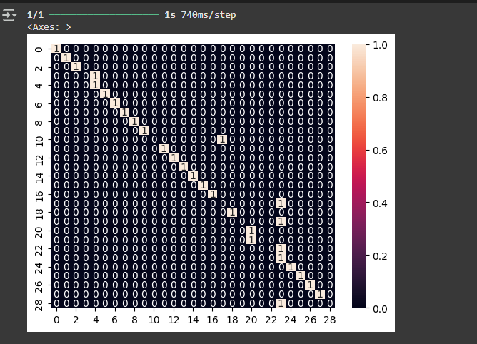
Model: "ASL_Lite_CPU"
┏━━━━━━━━━━━━━━━━━━━━━━━━━━━━━━━━━┳━━━━━━━━━━━━━━━━━━━━━━━━┳━━━━━━━━━━━━━━━┓
┃ Layer (type) ┃ Output Shape ┃ Param # ┃
┡━━━━━━━━━━━━━━━━━━━━━━━━━━━━━━━━━╇━━━━━━━━━━━━━━━━━━━━━━━━╇━━━━━━━━━━━━━━━┩
│ conv2d (Conv2D) │ (None, 48, 48, 32) │ 896 │
├─────────────────────────────────┼────────────────────────┼───────────────┤
│ batch_normalization │ (None, 48, 48, 32) │ 128 │
│ (BatchNormalization) │ │ │
├─────────────────────────────────┼────────────────────────┼───────────────┤
│ max_pooling2d (MaxPooling2D) │ (None, 24, 24, 32) │ 0 │
├─────────────────────────────────┼────────────────────────┼───────────────┤
│ conv2d_1 (Conv2D) │ (None, 24, 24, 64) │ 18,496 │
├─────────────────────────────────┼────────────────────────┼───────────────┤
│ batch_normalization_1 │ (None, 24, 24, 64) │ 256 │
│ (BatchNormalization) │ │ │
├─────────────────────────────────┼────────────────────────┼───────────────┤
│ max_pooling2d_1 (MaxPooling2D) │ (None, 12, 12, 64) │ 0 │
├─────────────────────────────────┼────────────────────────┼───────────────┤
│ conv2d_2 (Conv2D) │ (None, 12, 12, 128) │ 73,856 │
├─────────────────────────────────┼────────────────────────┼───────────────┤
│ batch_normalization_2 │ (None, 12, 12, 128) │ 512 │
│ (BatchNormalization) │ │ │
├─────────────────────────────────┼────────────────────────┼───────────────┤
│ max_pooling2d_2 (MaxPooling2D) │ (None, 6, 6, 128) │ 0 │
├─────────────────────────────────┼────────────────────────┼───────────────┤
│ global_average_pooling2d │ (None, 128) │ 0 │
│ (GlobalAveragePooling2D) │ │ │
├─────────────────────────────────┼────────────────────────┼───────────────┤
│ dropout (Dropout) │ (None, 128) │ 0 │
├─────────────────────────────────┼────────────────────────┼───────────────┤
│ dense (Dense) │ (None, 29) │ 3,741 │
└─────────────────────────────────┴────────────────────────┴───────────────┘
Total params: 97,885 (382.36 KB)
Trainable params: 96,477 (376.86 KB)
Non-trainable params: 1,408 (5.50 KB)
🚀 Comenzando Fase 1 - Entrenamiento con capas congeladas...
/usr/local/lib/python3.11/dist-packages/keras/src/trainers/data_adapters/py_dataset_adapter.py:121: UserWarning: Your `PyDataset` class should call `super().__init__(**kwargs)` in its constructor. `**kwargs` can include `workers`, `use_multiprocessing`, `max_queue_size`. Do not pass these arguments to `fit()`, as they will be ignored.
self._warn_if_super_not_called()
Epoch 1/5
544/544 ━━━━━━━━━━━━━━━━━━━━ 139s 244ms/step - accuracy: 0.3114 - loss: 2.9300 - val_accuracy: 0.0643 - val_loss: 3.4291
Epoch 2/5
544/544 ━━━━━━━━━━━━━━━━━━━━ 125s 229ms/step - accuracy: 0.7760 - loss: 1.3183 - val_accuracy: 0.5294 - val_loss: 2.1192
Epoch 3/5
544/544 ━━━━━━━━━━━━━━━━━━━━ 126s 232ms/step - accuracy: 0.8622 - loss: 0.9585 - val_accuracy: 0.6755 - val_loss: 1.3782
Epoch 4/5
544/544 ━━━━━━━━━━━━━━━━━━━━ 125s 230ms/step - accuracy: 0.9006 - loss: 0.7721 - val_accuracy: 0.7476 - val_loss: 1.1955
Epoch 5/5
544/544 ━━━━━━━━━━━━━━━━━━━━ 128s 235ms/step - accuracy: 0.9203 - loss: 0.6566 - val_accuracy: 0.7782 - val_loss: 1.0981
Model: "ASL_Lite_CPU"
┏━━━━━━━━━━━━━━━━━━━━━━━━━━━━━━━━━┳━━━━━━━━━━━━━━━━━━━━━━━━┳━━━━━━━━━━━━━━━┓
┃ Layer (type) ┃ Output Shape ┃ Param # ┃
┡━━━━━━━━━━━━━━━━━━━━━━━━━━━━━━━━━╇━━━━━━━━━━━━━━━━━━━━━━━━╇━━━━━━━━━━━━━━━┩
│ conv2d (Conv2D) │ (None, 48, 48, 32) │ 896 │
├─────────────────────────────────┼────────────────────────┼───────────────┤
│ batch_normalization │ (None, 48, 48, 32) │ 128 │
│ (BatchNormalization) │ │ │
├─────────────────────────────────┼────────────────────────┼───────────────┤
│ max_pooling2d (MaxPooling2D) │ (None, 24, 24, 32) │ 0 │
├─────────────────────────────────┼────────────────────────┼───────────────┤
│ conv2d_1 (Conv2D) │ (None, 24, 24, 64) │ 18,496 │
├─────────────────────────────────┼────────────────────────┼───────────────┤
│ batch_normalization_1 │ (None, 24, 24, 64) │ 256 │
│ (BatchNormalization) │ │ │
├─────────────────────────────────┼────────────────────────┼───────────────┤
│ max_pooling2d_1 (MaxPooling2D) │ (None, 12, 12, 64) │ 0 │
├─────────────────────────────────┼────────────────────────┼───────────────┤
│ conv2d_2 (Conv2D) │ (None, 12, 12, 128) │ 73,856 │
├─────────────────────────────────┼────────────────────────┼───────────────┤
│ batch_normalization_2 │ (None, 12, 12, 128) │ 512 │
│ (BatchNormalization) │ │ │
├─────────────────────────────────┼────────────────────────┼───────────────┤
│ max_pooling2d_2 (MaxPooling2D) │ (None, 6, 6, 128) │ 0 │
├─────────────────────────────────┼────────────────────────┼───────────────┤
│ global_average_pooling2d │ (None, 128) │ 0 │
│ (GlobalAveragePooling2D) │ │ │
├─────────────────────────────────┼────────────────────────┼───────────────┤
│ dropout (Dropout) │ (None, 128) │ 0 │
├─────────────────────────────────┼────────────────────────┼───────────────┤
│ dense (Dense) │ (None, 29) │ 3,741 │
└─────────────────────────────────┴────────────────────────┴───────────────┘
Total params: 97,885 (382.36 KB)
Trainable params: 97,437 (380.61 KB)
Non-trainable params: 448 (1.75 KB)

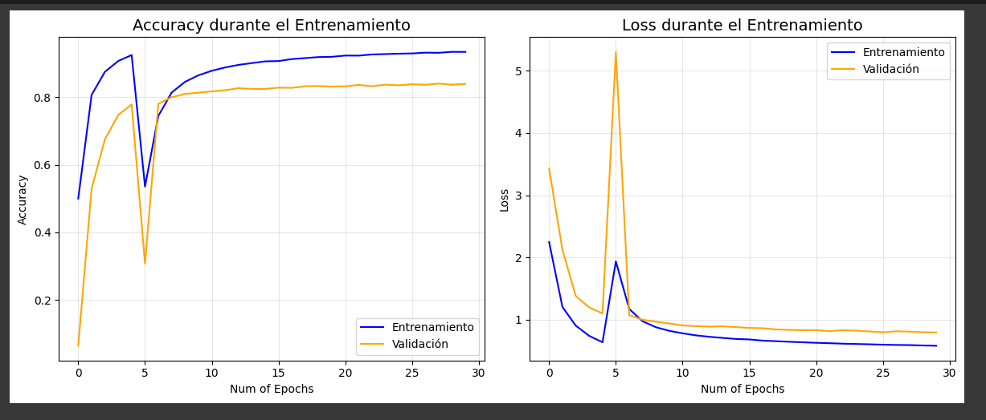

 | ✅ Accuracy en test: 75.86%

prueba 3
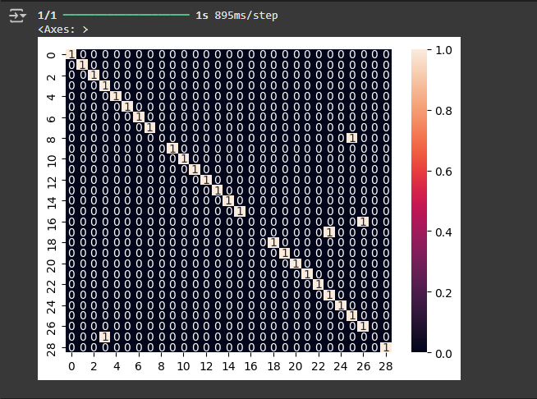
Model: "ASL_Custom_Pro"
┏━━━━━━━━━━━━━━━━━━━━━━━━━━━━━━━━━┳━━━━━━━━━━━━━━━━━━━━━━━━┳━━━━━━━━━━━━━━━┓
┃ Layer (type) ┃ Output Shape ┃ Param # ┃
┡━━━━━━━━━━━━━━━━━━━━━━━━━━━━━━━━━╇━━━━━━━━━━━━━━━━━━━━━━━━╇━━━━━━━━━━━━━━━┩
│ conv2d (Conv2D) │ (None, 100, 100, 64) │ 1,792 │
├─────────────────────────────────┼────────────────────────┼───────────────┤
│ batch_normalization │ (None, 100, 100, 64) │ 256 │
│ (BatchNormalization) │ │ │
├─────────────────────────────────┼────────────────────────┼───────────────┤
│ max_pooling2d (MaxPooling2D) │ (None, 50, 50, 64) │ 0 │
├─────────────────────────────────┼────────────────────────┼───────────────┤
│ dropout (Dropout) │ (None, 50, 50, 64) │ 0 │
├─────────────────────────────────┼────────────────────────┼───────────────┤
│ conv2d_1 (Conv2D) │ (None, 50, 50, 128) │ 73,856 │
├─────────────────────────────────┼────────────────────────┼───────────────┤
│ batch_normalization_1 │ (None, 50, 50, 128) │ 512 │
│ (BatchNormalization) │ │ │
├─────────────────────────────────┼────────────────────────┼───────────────┤
│ max_pooling2d_1 (MaxPooling2D) │ (None, 25, 25, 128) │ 0 │
├─────────────────────────────────┼────────────────────────┼───────────────┤
│ dropout_1 (Dropout) │ (None, 25, 25, 128) │ 0 │
├─────────────────────────────────┼────────────────────────┼───────────────┤
│ conv2d_2 (Conv2D) │ (None, 25, 25, 256) │ 295,168 │
├─────────────────────────────────┼────────────────────────┼───────────────┤
│ batch_normalization_2 │ (None, 25, 25, 256) │ 1,024 │
│ (BatchNormalization) │ │ │
├─────────────────────────────────┼────────────────────────┼───────────────┤
│ max_pooling2d_2 (MaxPooling2D) │ (None, 12, 12, 256) │ 0 │
├─────────────────────────────────┼────────────────────────┼───────────────┤
│ dropout_2 (Dropout) │ (None, 12, 12, 256) │ 0 │
├─────────────────────────────────┼────────────────────────┼───────────────┤
│ conv2d_3 (Conv2D) │ (None, 12, 12, 512) │ 1,180,160 │
├─────────────────────────────────┼────────────────────────┼───────────────┤
│ batch_normalization_3 │ (None, 12, 12, 512) │ 2,048 │
│ (BatchNormalization) │ │ │
├─────────────────────────────────┼────────────────────────┼───────────────┤
│ global_average_pooling2d │ (None, 512) │ 0 │
│ (GlobalAveragePooling2D) │ │ │
├─────────────────────────────────┼────────────────────────┼───────────────┤
│ dense (Dense) │ (None, 512) │ 262,656 │
├─────────────────────────────────┼────────────────────────┼───────────────┤
│ batch_normalization_4 │ (None, 512) │ 2,048 │
│ (BatchNormalization) │ │ │
├─────────────────────────────────┼────────────────────────┼───────────────┤
│ dropout_3 (Dropout) │ (None, 512) │ 0 │
├─────────────────────────────────┼────────────────────────┼───────────────┤
│ dense_1 (Dense) │ (None, 29) │ 14,877 │
└─────────────────────────────────┴────────────────────────┴───────────────┘
Total params: 1,834,397 (7.00 MB)
Trainable params: 1,831,453 (6.99 MB)
Non-trainable params: 2,944 (11.50 KB)

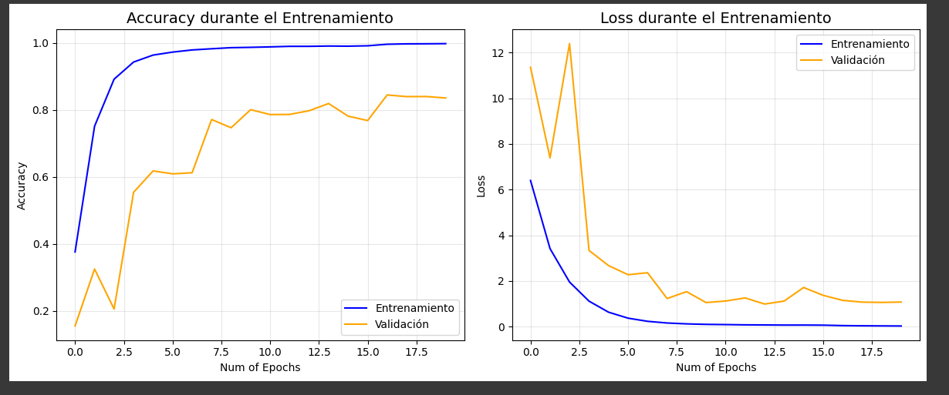

 | ✅ Accuracy en test: 86.21%

prueba 4
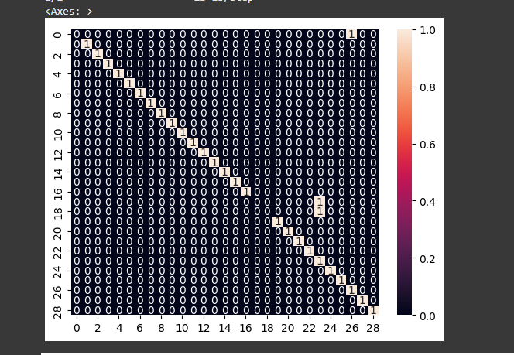
Model: "ASL_Custom_Pro"
┏━━━━━━━━━━━━━━━━━━━━━━━━━━━━━━━━━┳━━━━━━━━━━━━━━━━━━━━━━━━┳━━━━━━━━━━━━━━━┓
┃ Layer (type) ┃ Output Shape ┃ Param # ┃
┡━━━━━━━━━━━━━━━━━━━━━━━━━━━━━━━━━╇━━━━━━━━━━━━━━━━━━━━━━━━╇━━━━━━━━━━━━━━━┩
│ conv2d (Conv2D) │ (None, 150, 150, 64) │ 1,792 │
├─────────────────────────────────┼────────────────────────┼───────────────┤
│ batch_normalization │ (None, 150, 150, 64) │ 256 │
│ (BatchNormalization) │ │ │
├─────────────────────────────────┼────────────────────────┼───────────────┤
│ max_pooling2d (MaxPooling2D) │ (None, 75, 75, 64) │ 0 │
├─────────────────────────────────┼────────────────────────┼───────────────┤
│ dropout (Dropout) │ (None, 75, 75, 64) │ 0 │
├─────────────────────────────────┼────────────────────────┼───────────────┤
│ conv2d_1 (Conv2D) │ (None, 75, 75, 128) │ 73,856 │
├─────────────────────────────────┼────────────────────────┼───────────────┤
│ batch_normalization_1 │ (None, 75, 75, 128) │ 512 │
│ (BatchNormalization) │ │ │
├─────────────────────────────────┼────────────────────────┼───────────────┤
│ max_pooling2d_1 (MaxPooling2D) │ (None, 37, 37, 128) │ 0 │
├─────────────────────────────────┼────────────────────────┼───────────────┤
│ dropout_1 (Dropout) │ (None, 37, 37, 128) │ 0 │
├─────────────────────────────────┼────────────────────────┼───────────────┤
│ conv2d_2 (Conv2D) │ (None, 37, 37, 256) │ 295,168 │
├─────────────────────────────────┼────────────────────────┼───────────────┤
│ batch_normalization_2 │ (None, 37, 37, 256) │ 1,024 │
│ (BatchNormalization) │ │ │
├─────────────────────────────────┼────────────────────────┼───────────────┤
│ max_pooling2d_2 (MaxPooling2D) │ (None, 18, 18, 256) │ 0 │
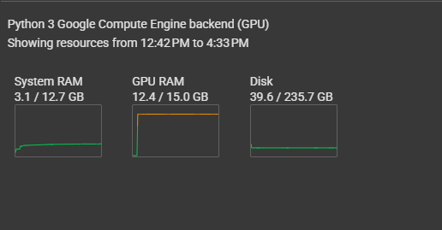
├─────────────────────────────────┼────────────────────────┼───────────────┤
│ dropout_2 (Dropout) │ (None, 18, 18, 256) │ 0 │
├─────────────────────────────────┼────────────────────────┼───────────────┤
│ conv2d_3 (Conv2D) │ (None, 18, 18, 512) │ 1,180,160 │
├─────────────────────────────────┼────────────────────────┼───────────────┤
│ batch_normalization_3 │ (None, 18, 18, 512) │ 2,048 │
│ (BatchNormalization) │ │ │
├─────────────────────────────────┼────────────────────────┼───────────────┤
│ global_average_pooling2d │ (None, 512) │ 0 │
│ (GlobalAveragePooling2D) │ │ │
├─────────────────────────────────┼────────────────────────┼───────────────┤
│ dense (Dense) │ (None, 512) │ 262,656 │
├─────────────────────────────────┼────────────────────────┼───────────────┤
│ batch_normalization_4 │ (None, 512) │ 2,048 │
│ (BatchNormalization) │ │ │
├─────────────────────────────────┼────────────────────────┼───────────────┤
│ dropout_3 (Dropout) │ (None, 512) │ 0 │
├─────────────────────────────────┼────────────────────────┼───────────────┤
│ dense_1 (Dense) │ (None, 29) │ 14,877 │
└─────────────────────────────────┴────────────────────────┴───────────────┘
Total params: 1,834,397 (7.00 MB)
Trainable params: 1,831,453 (6.99 MB)
Non-trainable params: 2,944 (11.50 KB)

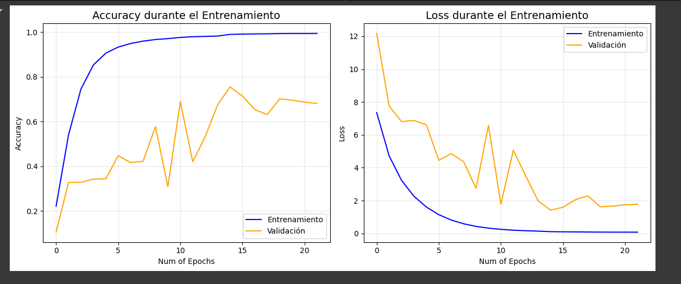

 | ✅ Accuracy en test: 89.66%

prueba 5
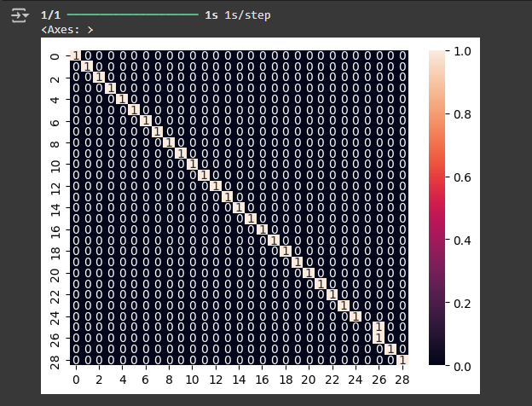
Model: "ASL_Custom_Pro"
┏━━━━━━━━━━━━━━━━━━━━━━━━━━━━━━━━━┳━━━━━━━━━━━━━━━━━━━━━━━━┳━━━━━━━━━━━━━━━┓
┃ Layer (type) ┃ Output Shape ┃ Param # ┃
┡━━━━━━━━━━━━━━━━━━━━━━━━━━━━━━━━━╇━━━━━━━━━━━━━━━━━━━━━━━━╇━━━━━━━━━━━━━━━┩
│ conv2d_4 (Conv2D) │ (None, 150, 150, 64) │ 1,792 │
├─────────────────────────────────┼────────────────────────┼───────────────┤
│ batch_normalization_5 │ (None, 150, 150, 64) │ 256 │
│ (BatchNormalization) │ │ │
├─────────────────────────────────┼────────────────────────┼───────────────┤
│ max_pooling2d_3 (MaxPooling2D) │ (None, 75, 75, 64) │ 0 │
├─────────────────────────────────┼────────────────────────┼───────────────┤
│ dropout_3 (Dropout) │ (None, 75, 75, 64) │ 0 │
├─────────────────────────────────┼────────────────────────┼───────────────┤
│ conv2d_5 (Conv2D) │ (None, 75, 75, 128) │ 73,856 │
├─────────────────────────────────┼────────────────────────┼───────────────┤
│ batch_normalization_6 │ (None, 75, 75, 128) │ 512 │
│ (BatchNormalization) │ │ │
├─────────────────────────────────┼────────────────────────┼───────────────┤
│ max_pooling2d_4 (MaxPooling2D) │ (None, 37, 37, 128) │ 0 │
├─────────────────────────────────┼────────────────────────┼───────────────┤
│ dropout_4 (Dropout) │ (None, 37, 37, 128) │ 0 │
├─────────────────────────────────┼────────────────────────┼───────────────┤
│ conv2d_6 (Conv2D) │ (None, 37, 37, 256) │ 295,168 │
├─────────────────────────────────┼────────────────────────┼───────────────┤
│ batch_normalization_7 │ (None, 37, 37, 256) │ 1,024 │
│ (BatchNormalization) │ │ │
├─────────────────────────────────┼────────────────────────┼───────────────┤
│ max_pooling2d_5 (MaxPooling2D) │ (None, 18, 18, 256) │ 0 │
├─────────────────────────────────┼────────────────────────┼───────────────┤
│ dropout_5 (Dropout) │ (None, 18, 18, 256) │ 0 │
├─────────────────────────────────┼────────────────────────┼───────────────┤
│ conv2d_7 (Conv2D) │ (None, 18, 18, 512) │ 1,180,160 │
├─────────────────────────────────┼────────────────────────┼───────────────┤
│ batch_normalization_8 │ (None, 18, 18, 512) │ 2,048 │
│ (BatchNormalization) │ │ │
├─────────────────────────────────┼────────────────────────┼───────────────┤
│ global_average_pooling2d_1 │ (None, 512) │ 0 │
│ (GlobalAveragePooling2D) │ │ │
├─────────────────────────────────┼────────────────────────┼───────────────┤
│ dense_1 (Dense) │ (None, 1024) │ 525,312 │
├─────────────────────────────────┼────────────────────────┼───────────────┤
│ batch_normalization_9 │ (None, 1024) │ 4,096 │
│ (BatchNormalization) │ │ │
├─────────────────────────────────┼────────────────────────┼───────────────┤
│ dropout_6 (Dropout) │ (None, 1024) │ 0 │
├─────────────────────────────────┼────────────────────────┼───────────────┤
│ dense_2 (Dense) │ (None, 29) │ 29,725 │
└─────────────────────────────────┴────────────────────────┴───────────────┘
Total params: 2,113,949 (8.06 MB)
Trainable params: 2,109,981 (8.05 MB)
Non-trainable params: 3,968 (15.50 KB)

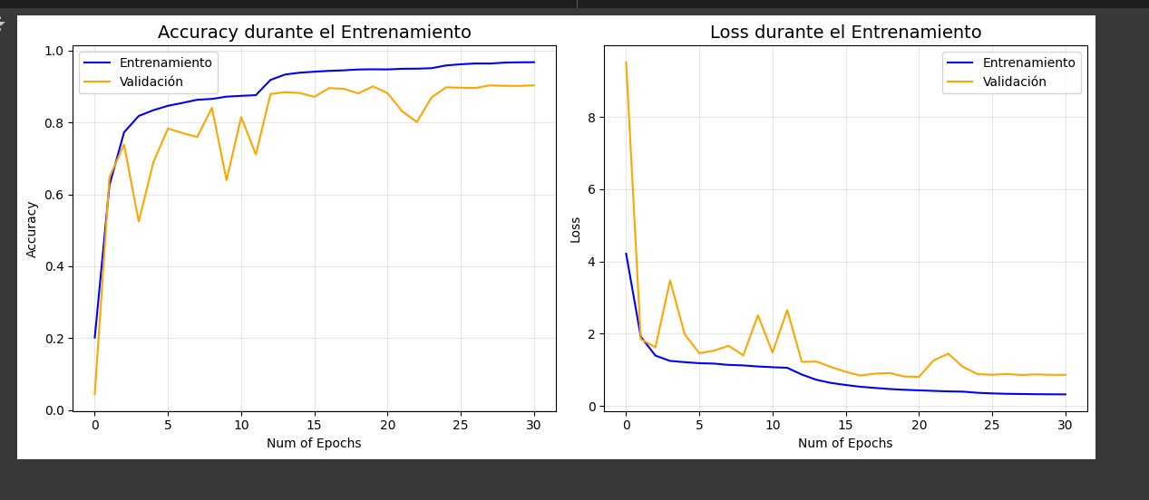

 | ✅ Accuracy en test: 96.55%

prueba 6
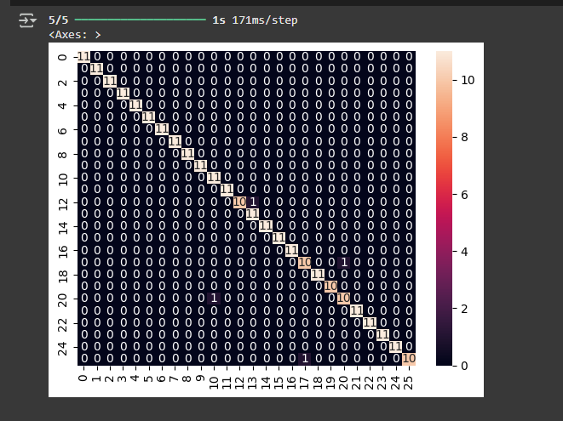
Model: "sequential_1"
┏━━━━━━━━━━━━━━━━━━━━━━━━━━━━━━━━━┳━━━━━━━━━━━━━━━━━━━━━━━━┳━━━━━━━━━━━━━━━┓
┃ Layer (type) ┃ Output Shape ┃ Param # ┃
┡━━━━━━━━━━━━━━━━━━━━━━━━━━━━━━━━━╇━━━━━━━━━━━━━━━━━━━━━━━━╇━━━━━━━━━━━━━━━┩
│ conv2d_3 (Conv2D) │ (None, 298, 298, 32) │ 896 │
├─────────────────────────────────┼────────────────────────┼───────────────┤
│ max_pooling2d_3 (MaxPooling2D) │ (None, 149, 149, 32) │ 0 │
├─────────────────────────────────┼────────────────────────┼───────────────┤
│ dropout_2 (Dropout) │ (None, 149, 149, 32) │ 0 │
├─────────────────────────────────┼────────────────────────┼───────────────┤
│ conv2d_4 (Conv2D) │ (None, 147, 147, 64) │ 18,496 │
├─────────────────────────────────┼────────────────────────┼───────────────┤
│ max_pooling2d_4 (MaxPooling2D) │ (None, 73, 73, 64) │ 0 │
├─────────────────────────────────┼────────────────────────┼───────────────┤
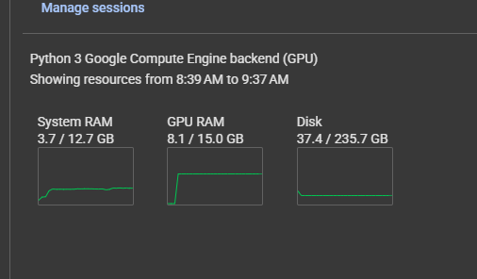
│ conv2d_5 (Conv2D) │ (None, 71, 71, 128) │ 73,856 │
├─────────────────────────────────┼────────────────────────┼───────────────┤
│ max_pooling2d_5 (MaxPooling2D) │ (None, 35, 35, 128) │ 0 │
├─────────────────────────────────┼────────────────────────┼───────────────┤
│ flatten_1 (Flatten) │ (None, 156800) │ 0 │
├─────────────────────────────────┼────────────────────────┼───────────────┤
│ dense_2 (Dense) │ (None, 512) │ 80,282,112 │
├─────────────────────────────────┼────────────────────────┼───────────────┤
│ dropout_3 (Dropout) │ (None, 512) │ 0 │
├─────────────────────────────────┼────────────────────────┼───────────────┤
│ dense_3 (Dense) │ (None, 26) │ 13,338 │
└─────────────────────────────────┴────────────────────────┴───────────────┘
Total params: 80,388,698 (306.66 MB)
Trainable params: 80,388,698 (306.66 MB)
Non-trainable params: 0 (0.00 B)

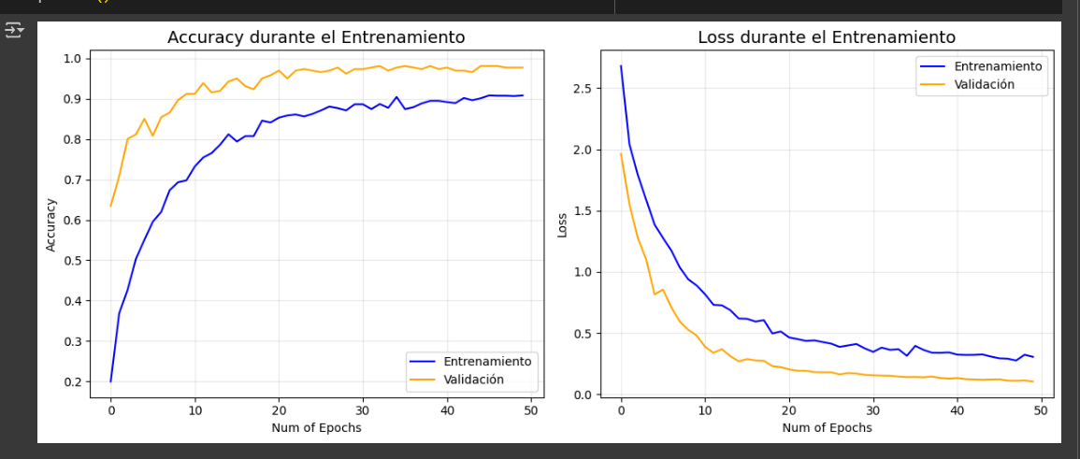

 | Test Accuracy: 98.60%

prueba final
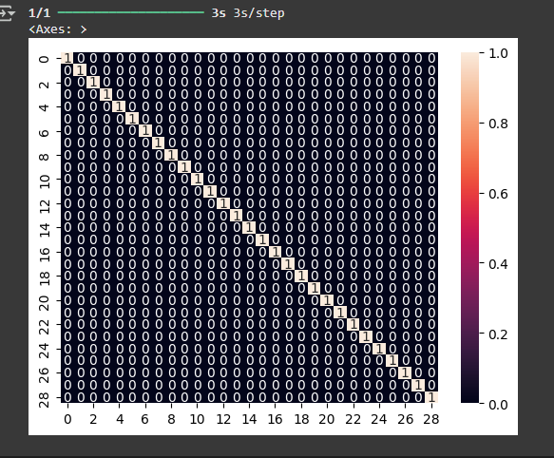
Model: "ASL_Custom_Pro"
┏━━━━━━━━━━━━━━━━━━━━━━━━━━━━━━━━━┳━━━━━━━━━━━━━━━━━━━━━━━━┳━━━━━━━━━━━━━━━┓
┃ Layer (type) ┃ Output Shape ┃ Param # ┃
┡━━━━━━━━━━━━━━━━━━━━━━━━━━━━━━━━━╇━━━━━━━━━━━━━━━━━━━━━━━━╇━━━━━━━━━━━━━━━┩
│ conv2d (Conv2D) │ (None, 75, 75, 64) │ 4,864 │
├─────────────────────────────────┼────────────────────────┼───────────────┤
│ batch_normalization │ (None, 75, 75, 64) │ 256 │
│ (BatchNormalization) │ │ │
├─────────────────────────────────┼────────────────────────┼───────────────┤
│ activation (Activation) │ (None, 75, 75, 64) │ 0 │
├─────────────────────────────────┼────────────────────────┼───────────────┤
│ conv2d_1 (Conv2D) │ (None, 75, 75, 128) │ 73,856 │
├─────────────────────────────────┼────────────────────────┼───────────────┤
│ batch_normalization_1 │ (None, 75, 75, 128) │ 512 │
│ (BatchNormalization) │ │ │
├─────────────────────────────────┼────────────────────────┼───────────────┤
│ activation_1 (Activation) │ (None, 75, 75, 128) │ 0 │
├─────────────────────────────────┼────────────────────────┼───────────────┤
│ conv2d_2 (Conv2D) │ (None, 38, 38, 128) │ 147,584 │
├─────────────────────────────────┼────────────────────────┼───────────────┤
│ batch_normalization_2 │ (None, 38, 38, 128) │ 512 │
│ (BatchNormalization) │ │ │
├─────────────────────────────────┼────────────────────────┼───────────────┤
│ activation_2 (Activation) │ (None, 38, 38, 128) │ 0 │
├─────────────────────────────────┼────────────────────────┼───────────────┤
│ dropout (Dropout) │ (None, 38, 38, 128) │ 0 │
├─────────────────────────────────┼────────────────────────┼───────────────┤
│ conv2d_3 (Conv2D) │ (None, 38, 38, 256) │ 295,168 │
├─────────────────────────────────┼────────────────────────┼───────────────┤
│ batch_normalization_3 │ (None, 38, 38, 256) │ 1,024 │
│ (BatchNormalization) │ │ │
├─────────────────────────────────┼────────────────────────┼───────────────┤
│ activation_3 (Activation) │ (None, 38, 38, 256) │ 0 │
├─────────────────────────────────┼────────────────────────┼───────────────┤
│ conv2d_4 (Conv2D) │ (None, 19, 19, 256) │ 590,080 │
├─────────────────────────────────┼────────────────────────┼───────────────┤
│ batch_normalization_4 │ (None, 19, 19, 256) │ 1,024 │
│ (BatchNormalization) │ │ │
├─────────────────────────────────┼────────────────────────┼───────────────┤
│ activation_4 (Activation) │ (None, 19, 19, 256) │ 0 │
├─────────────────────────────────┼────────────────────────┼───────────────┤
│ dropout_1 (Dropout) │ (None, 19, 19, 256) │ 0 │
├─────────────────────────────────┼────────────────────────┼───────────────┤
│ conv2d_5 (Conv2D) │ (None, 19, 19, 512) │ 1,180,160 │
├─────────────────────────────────┼────────────────────────┼───────────────┤
│ batch_normalization_5 │ (None, 19, 19, 512) │ 2,048 │
│ (BatchNormalization) │ │ │
├─────────────────────────────────┼────────────────────────┼───────────────┤
│ activation_5 (Activation) │ (None, 19, 19, 512) │ 0 │
├─────────────────────────────────┼────────────────────────┼───────────────┤
│ conv2d_6 (Conv2D) │ (None, 10, 10, 512) │ 2,359,808 │
├─────────────────────────────────┼────────────────────────┼───────────────┤
│ batch_normalization_6 │ (None, 10, 10, 512) │ 2,048 │
│ (BatchNormalization) │ │ │
├─────────────────────────────────┼────────────────────────┼───────────────┤
│ activation_6 (Activation) │ (None, 10, 10, 512) │ 0 │
├─────────────────────────────────┼────────────────────────┼───────────────┤
│ dropout_2 (Dropout) │ (None, 10, 10, 512) │ 0 │
├─────────────────────────────────┼────────────────────────┼───────────────┤
│ flatten (Flatten) │ (None, 51200) │ 0 │
├─────────────────────────────────┼────────────────────────┼───────────────┤
│ dense (Dense) │ (None, 1024) │ 52,429,824 │
├─────────────────────────────────┼────────────────────────┼───────────────┤
│ batch_normalization_7 │ (None, 1024) │ 4,096 │
│ (BatchNormalization) │ │ │
├─────────────────────────────────┼────────────────────────┼───────────────┤
│ activation_7 (Activation) │ (None, 1024) │ 0 │
├─────────────────────────────────┼────────────────────────┼───────────────┤
│ dropout_3 (Dropout) │ (None, 1024) │ 0 │
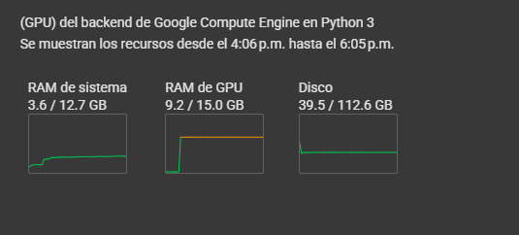
├─────────────────────────────────┼────────────────────────┼───────────────┤
│ dense_1 (Dense) │ (None, 512) │ 524,800 │
├─────────────────────────────────┼────────────────────────┼───────────────┤
│ batch_normalization_8 │ (None, 512) │ 2,048 │
│ (BatchNormalization) │ │ │
├─────────────────────────────────┼────────────────────────┼───────────────┤
│ activation_8 (Activation) │ (None, 512) │ 0 │
├─────────────────────────────────┼────────────────────────┼───────────────┤
│ dropout_4 (Dropout) │ (None, 512) │ 0 │
├─────────────────────────────────┼────────────────────────┼───────────────┤
│ dense_2 (Dense) │ (None, 29) │ 14,877 │
└─────────────────────────────────┴────────────────────────┴───────────────┘
Total params: 57,634,589 (219.86 MB)
Trainable params: 57,627,805 (219.83 MB)
Non-trainable params: 6,784 (26.50 KB)

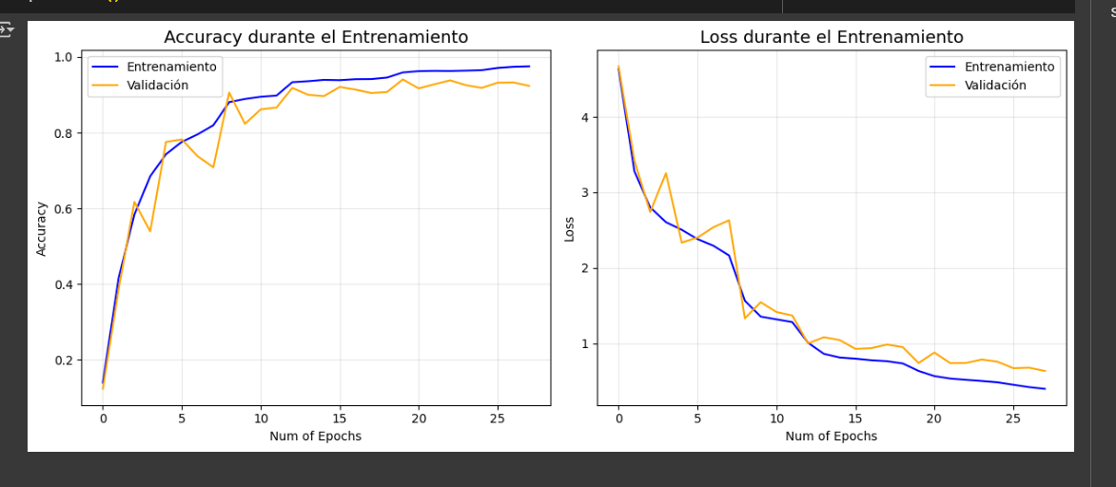

 | ✅ Accuracy en test: 100.00%

